Type of data Frame
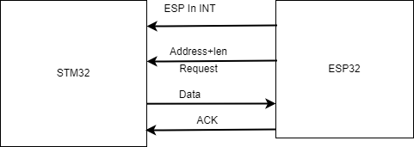
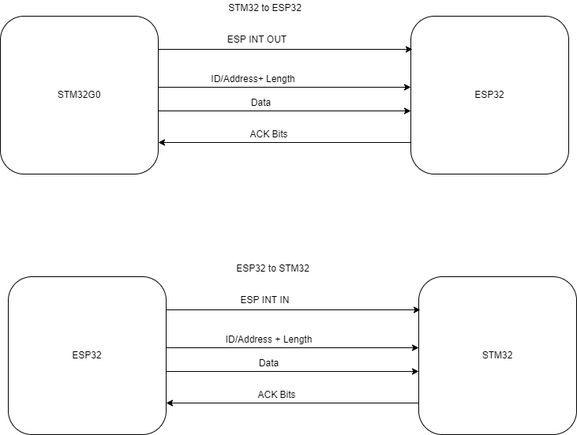
SL no: | Type of communications | Way to communicatins
1 | ALL measured value send | STM32 to ESP32
2 | Individual measured send | STM32 to ESP32
3 | fault data | STM32 to ESP32
4 | All trip setup data frame | ESP32 to STM32
5 | Individual trip setup frame | ESP32 to STM32
6 | Display setup frame | ESP32 to STM32
7 | Individual display setup frame | ESP32 to STM32

